Welcome
Thank you for your interest in the Matrix Map. This tool is a visual representation of how your organization’s business lines work together to create impact and financial viability. A simple, yet powerful tool for articulating your business model. More than just a picture though, the Matrix Map provides strategic imperatives to strengthen your business model. The map can be used to engage board and staff alike in analyzing challenges and opportunities and making ongoing strategic decisions that integrate mission impact and financial profitability and set the organization on a path toward greater sustainability.
Please email us with any questions or success stories on the Matrix Map at MatrixMap@spectrumnonprofit.com and visit us at www.spectrumnonprofit.com for more information about the Matrix Map and services Spectrum provides.
Best of Luck,
Steve Zimmerman
Principal, Spectrum Nonprofit Services, LLC

Mapping Data
Org Name
Matrix Map Master Data

Business Lines | Profitability | Mission Impact | Expenses
Program A | $- | 0.00 | $-
Program B | $- | 0.00 | $-
Program C | $- | 0.00 | $-
Program D | $- | 0.00 | $-
Program E | $- | 0.00 | $-
Program F | $- | 0.00 | $-
Program G | $- | 0.00 | $-
Program H | $- | 0.00 | $-

DIRECTIONS FOR THE MATRIX MAP TOOL
Data:
To use this spreadsheet, enter the name of each business line in Column A; move on to the Finances and Mission Impact tabs below to complete the scores for the next three columns. Formulas will do the work of pushing business lines and scores from sheet to sheet.
Add rows as necessary for all your business lines. Delete any extra rows if you wish.
Before you make any modifications, save a blank version as a template for formula reference or later use.
-----------------------------
On the Matrix Map:
To change the color of a bubble, right click the bubble, choose "Format Data Series" and then "Fill" on the left menu, "Solid Fill" and then choose the appropriate color. Our default is blue = program, green = fundraising
To change the order of bubbles (make bigger ones be below smaller ones) right click the chart, choose "Select Data" and move the ranges using the arrows on top of the box.
To add a bubble right click the chart, choose "Select Data" and then "Add. Enter each column in the data sheet for the new business line into the textbox starting with column A, then B,C, and D.
-----------------------------
Any questions about the template, email: MatrixMap@spectrumnonprofit.com

Mission Impact
Assessing Mission Impact

On a scale of 1 to 4 with 4 being the highest, please rate each business line below on the following criteria. As you complete the survey, remember that there is no "right" answer in the survey and take into account all the information you have from your experience with the organization.
Program | Criteria 1 | Criteria 2 | Criteria 3 | Criteria 4 | Score
 | Contribution to Intended Impact | Excellence in Execution | Leverage | Depth
Program A |  |  |  |  | 0.00
Program B |  |  |  |  | 0.00
Program C |  |  |  |  | 0.00
Program D |  |  |  |  | 0.00
Program E |  |  |  |  | 0.00
Program F |  |  |  |  | 0.00
Program G |  |  |  |  | 0.00
Program H |  |  |  |  | 0.00
0 |  |  |  |  | 0.00

To build an include Matrix Map, you should have multiple people involved with measuring business line impact. Have each chosen member fill out their own assessment and use a master copy to average each members ranking - giving you a total average score to use on the final map.
-----------------------------
Select a minimum of four criteria:
Alignment with core mission: How closely does this program align with our core goals? Some programs may be excellent, but not as central to our mission.
Excellence in execution: Organizations are simply better at delivering some activities than others. A business line may be important to our mission, but we may not have the right skills or financial resources to implement it with excellence. This is a nice way of separating planning from execution.
Scale: How many people does each business line affect?
Depth: How deep an intervention or contact does each business line provide?
Building community or constituency: How does this business line contribute to building your movement or growing support for your cause in the community.
Fills an Important Gap (FIG): If a business line were to go away, would your constituents be able to go across the street to another agency or would they have nowhere to go?

Your Matrix Map
Matrix Map
 | Program A | Program B | Program C | Program D | Program E | Program F | Program G | Program H
$- | 0.00 | 0.00 | 0.00 | 0.00 | 0.00 | 0.00 | 0.00 | 0.00

What's Next
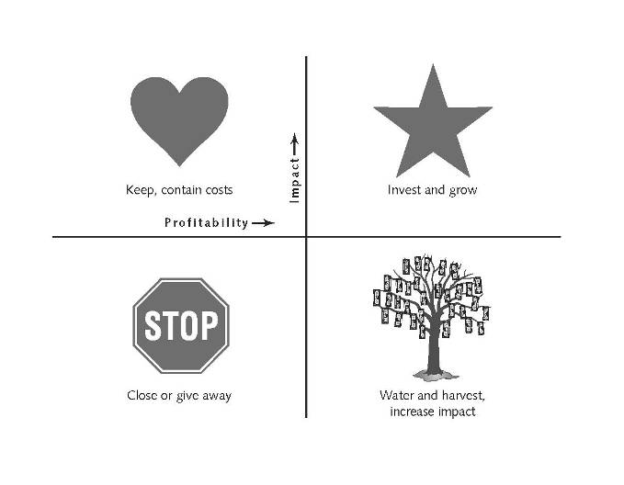
Strategic Imperatives: How do we strenghten our business model?
Beyond just a picutre, the Matrix Map offers strategic imperatives to strengthen your business model. The imperatives for each business line are based on which quadrant it is placed and offer a way to focus your strategic conversation. The strategic imperative are as follows:
X X X X X
STAR: High Mission Impact and High Profitability – Keep and strengthen these activities. Many organizations fail to invest in these activities since they appear to be doing well. This is a mistake. These activities are important to your organization and it is important to keep them performing strongly – both programmatically and financially.
HEART: High Mission Impact & Low Profitability: Keep these activities, but contain their costs. Investigate strategies to grow their revenue. Not every activity within a nonprofit can be profitable. In fact, some of the very reasons nonprofits exist are to provide services for which there otherwise is not a profitable market. That does not mean these are “bad” activities. However, organizations can only afford to have so many hearts. Therefore, in keeping these hearts we must remember to limit their costs but maintain impact.
MONEY TREE: Low Mission Impact and High Profitability – Keep and increase the mission impact of these activities. Many of the fundraising activities may fall in this quadrant. Again, every activity has both a financial component and a mission component. Is there a way that these activities could help the organization better accomplish its mission?
STOP SIGN: Low Mission Impact and Low Profitability – Assess the true cost and consider closing or divesting the activity. No one organization can do everything. Perhaps this was a great program that funders never fully understood and therefore it never received the funding to reach its potential. Whatever the reason, these resources might better be allocated to an activity that has a higher impact. Search around for a partner to transfer the program to.

